Multipurpose Chair
Setu® Multipurpose Chair, Refresh
Product Information | Specification Information
Description | CQN
This multipurpose chair has a one-piece Intercept suspension or suspended upholstery between outer composite polymer frames. The Kinematic Spine(R) technology is integrated into the chair's back frames to allow for varying recline positions and continuous support. The bumper edge detail runs along the perimeter of the seat/back of the Intercept suspension option to help safeguard the suspension material from table edge impact. The glacier, nightfall and canyon bases are aluminum with powder coat. The chair has a high-height pneumatic height adjustment. Base choices include a 5-star base with casters or a 4-star base with glides. Arm choices include no arms or fixed-height ribbon arms. | Step 1. Packaging
 | Code | Description
 | 5 | fully assembled
 | 6 | knocked down
 | Step 2. Base Type/Height Adjustment
Notes | Code | Description
Bumper edge comes standard on all chairs and is not optional. Bumper edge matches the colour of the suspension material. Refer to Casters and Glides appendix to match caster with appropriate floor type. Hard wheel casters must be used on carpet surfaces only. As with any material or textile, dye transfer may occur on seating surfaces, being more noticable on lighter colour expressions (for example: mineral on Aeron®). If this is a concern, we recommend selecting a darker colour expression on which dye transfer will be less noticeable. As a reminder, dye transfer is not covered under the Herman Miller warranty. | 9 | 5-star base / EN
 | 8 | 4-star base / swivel / fixed height
 | Step 3. Seat/Back Material
 | Code | Description
 | M | intercept suspension seat and back
 | F | suspended upholstery seat and back
 | Step 4. Arms
Dimensions | Code | Description
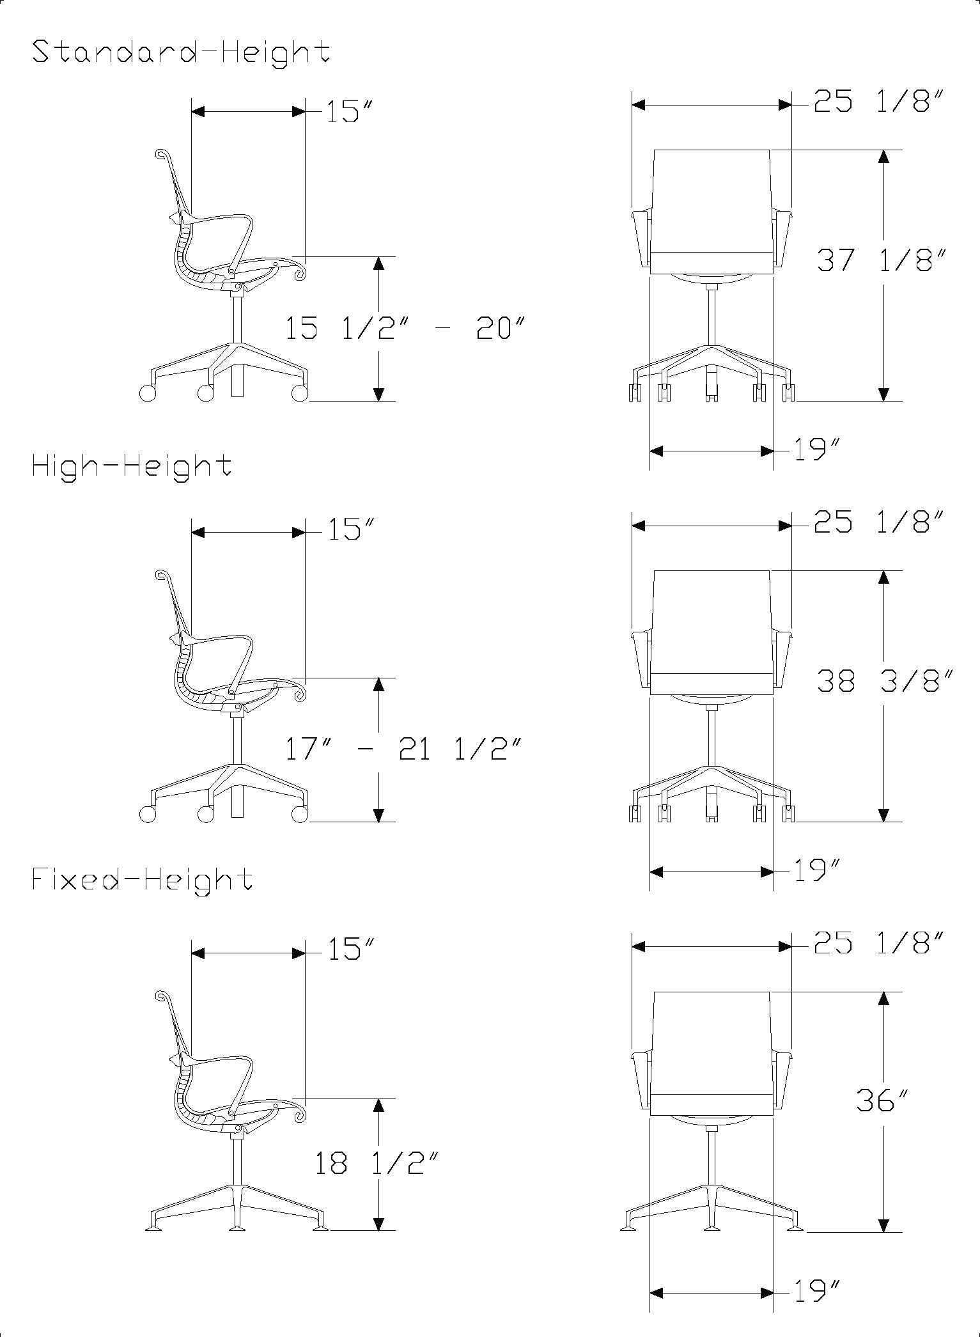
 | N | no arms
 | A | ribbon arms

 | Step 5. Frame Finish
 | Code | Description
 | G1 | graphite
 | CRB | carbon
 | VPR | mineral
 | 98 | studio white
 | Step 6. Base Finish
 | Code | Description
 | L7 | silver alloy
 | G1 | graphite
 | 5Y | semi-polished

 | Step 7. Castors/Glides
 | Code | Description
 | For 5-star base / EN (9)
 | HCC | 65mm low roll resistance, black yoke, hard floors or carpet
 | OC | 65mm medium roll resistance with quiet roll technology, black yoke, hard floors or carpet
 | C9 | 65mm braking castors, hard floor or carpet

 | For 4-star base / swivel / fixed height (8)
 | X8 | glide, low profile, hard floors or carpet

 | Step 8. Intercept Suspension Material
 | See application chart and textiles list for material usage and numbers. First 2 digits of number indicate material; remaining 2 digits indicate color.

 | For intercept suspension seat and back (M)
 | Price Category 1 |  | $0
 | 84501 | suspension material graphite
 | 84502 | suspension material carbon
 | 84503 | suspension material mineral
 | 84504 | suspension material nightfall
 | 84505 | suspension material glacier
 | 84506 | suspension material canyon
 | 84507 | suspension material cocoa

 | For suspended upholstery seat and back (F) CARRY OVER EXISTING FABRIC OFFER ON CURRENT SETU (CQ5, CQ6, CQ2)
 | Band 1
 | 8T | Crossing

 | Band 2
 | 3SL | Sequel
 | 4SC | Scatter
 | 8R | Twist
 | ZM2 | Meld

 | Band 3
 | 3CY | Cozy

Multipurpose Chair DIC
Setu® Multipurpose Chair, Dipped in Colour
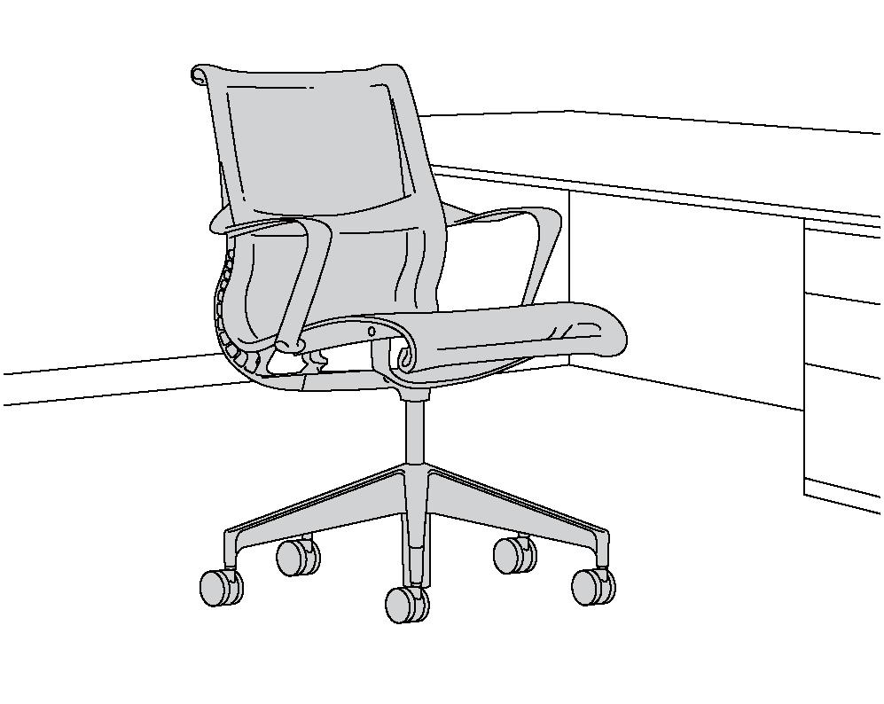
 | Specification Information
 | CQND
 | Step 1. Packaging
 | 5 | fully assembled
 | 6 | knocked down

 | Step 2. Base Type/Height Adjustment
 | 9 | 5-star base / EN
 | 8 | 4-star base / swivel / fixed height

 | Step 3. Seat/Back Material
 | M | intercept suspension seat and back

 | Step 4. Arms
 | N | no arms
Product Information | A | ribbon arms
Description
This multipurpose chair has a one-piece Intercept suspension or suspended upholstery between outer composite polymer frames. The Kinematic Spine(R) technology is integrated into the chair's back frames to allow for varying recline positions and continuous support. The bumper edge detail runs along the perimeter of the seat/back of the Intercept suspension option to help safeguard the suspension material from table edge impact. The glacier, nightfall and canyon bases are aluminum with powder coat. The chair has a high-height pneumatic height adjustment. Base choices include a 5-star base with casters or a 4-star base with glides. Arm choices include no arms or fixed-height ribbon arms. The chair has one hue from top to bottom—nightfall, glacier, or canyon. The dipped-in-colour components include the base, frame and arms. The suspension material and casters can also be specified to match. The chair is also available in graphite, carbon and mineral under CQN5. Any colour of the Intercept suspension material can be paired with any frame finish. | Step 5. Frame Finish
 | DR1 | canyon
 | DN2 | nightfall
 | DB3 | glacier
Notes
Bumper edge comes standard on all chairs and is not optional. Bumper edge matches the colour of the suspension material. Refer to Casters and Glides appendix to match caster with appropriate floor type. Hard wheel casters must be used on carpet surfaces only. As with any material or textile, dye transfer may occur on seating surfaces, being more noticable on lighter colour expressions (for example: mineral on Aeron®). If this is a concern, we recommend selecting a darker colour expression on which dye transfer will be less noticeable. As a reminder, dye transfer is not covered under the Herman Miller warranty.
 | Step 6. Base Finish
 | For canyon (DR1)
 | DR1 | canyon
 | 5Y | semi-polished

 | For nightfall (DN2)
 | DN2 | nightfall
 | 5Y | semi-polished

 | For glacier (DB3)
 | DB3 | glacier
 | 5Y | semi-polished

 | Step 7. Castors/Glides
Dimensions | For 5-star base/EN (9) and Step 6 canyon (DR1) or semi-polished (5Y)
 | HCC | 65mm low roll resistance, black yoke, hard floors or carpet
 | OC | 65mm medium roll resistance with quiet roll technology, hard floors or carpet
 | O2R | 65mm medium roll resistance with quiet roll technology, hard floors or carpet (canyon)
 | C9 | 65mm braking castors, hard floor or carpet

 | For 5-star base/EN (9) and Step 6 nightfall (DN2) or semi-polished (5Y)
 | HCC | 65mm low roll resistance, black yoke, hard floors or carpet
 | OC | 65mm medium roll resistance with quiet roll technology, hard floors or carpet
 | O2N | 65mm medium roll resistance with quiet roll technology, hard floors or carpet (nightfall)
 | C9 | 65mm braking castors, hard floor or carpet

 | For 5-star base/EN (9) and Step 6 glacier (DB3) or semi-polished (5Y)
 | HCC | 65mm low roll resistance, black yoke, hard floors or carpet
 | OC | 65mm medium roll resistance with quiet roll technology, hard floors or carpet
 | O2B | 65mm medium roll resistance with quiet roll technology, hard floors or carpet (glacier)
 | C9 | 65mm braking castors, hard floor or carpet

 | For 4-star base / swivel / fixed height (8) and Step 6 canyon (DR1), nightfall (DN2), glacier (DB3), or semi-polished (5Y)
 | X8 | glide, low profile, carpet or hard floors

 | Step 8. Intercept Suspension Material
 | See application chart and textiles list for material usage and numbers. First 2 digits of number indicate material; remaining 2 digits indicate colour.

 | For intercept suspension seat and back (M)
 | Price Category 1
 | 84501 | suspension material graphite
 | 84502 | suspension material carbon
 | 84503 | suspension material mineral
 | 84504 | suspension material nightfall
 | 84505 | suspension material glacier
 | 84506 | suspension material canyon
 | 84507 | suspension material cocoa

Stool
Setu® Stool, Refresh
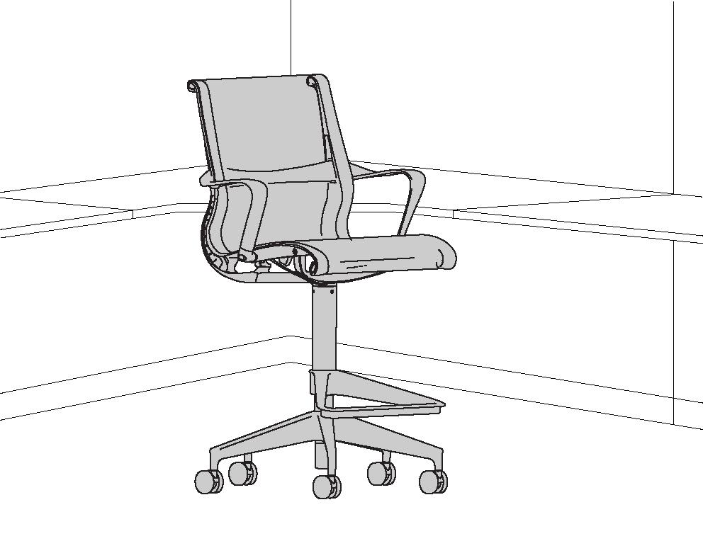
 | Specification Information

 | Step 1.
 | CQN7

 | Step 2. Base Type/Height Adjustment
 | 7 | 5-star base, stool-height range

 | Step 3. Seat/Back Material
 | M | intercept suspension seat and back
 | F | suspended upholstery seat and back

 | Step 4. Arms
 | N | no arms
 | A | ribbon arms
Product Information
Description | Step 5. Frame Finish
This stool has a one-piece Intercept suspension or suspended upholstery between outer composite polymer frames. The Kinematic Spine™ technology is integrated into the chair's back frames to allow for varying recline positions and continuous support. The bumper edge detail runs along the perimeter of the seat/back of the Intercept suspension option to help safeguard the suspension material from table edge impact. The silver alloy and graphite bases are aluminnum with powdercoat. The stool offers a pneumatic height adjustment with one height option. The stool has a seat height range of 26 3/8" to 34 1/4", with a height range of 7 7/8". The footrest is stationary and travels with the cylinder. Base choices include a 5-star base with casters or glides. Arm choices include no arms or fixed-height ribbon arms. | G1 | graphite
 | CRB | carbon
 | VPR | mineral
 | 98 | studio white
Notes
Bumper edge comes standard on all chairs and is not optional. Bumper edge matches the colour of the suspension material. Refer to Casters and Glides appendix to match caster with appropriate floor type. Hard wheel casters must be used on carpet surfaces only. As with any material or textile, dye transfer may occur on seating surfaces, being more noticable on lighter colour expressions (for example: mineral on Aeron®). If this is a concern, we recommend selecting a darker colour expression on which dye transfer will be less noticeable. As a reminder, dye transfer is not covered under the Herman Miller warranty.
 | Step 6. Column Finish
 | For studio white (98)
 | 98 | studio white

 | For graphite (G1)
 | G1 | graphite

 | For carbon (CRB), mineral (VPR)
 | BK | black

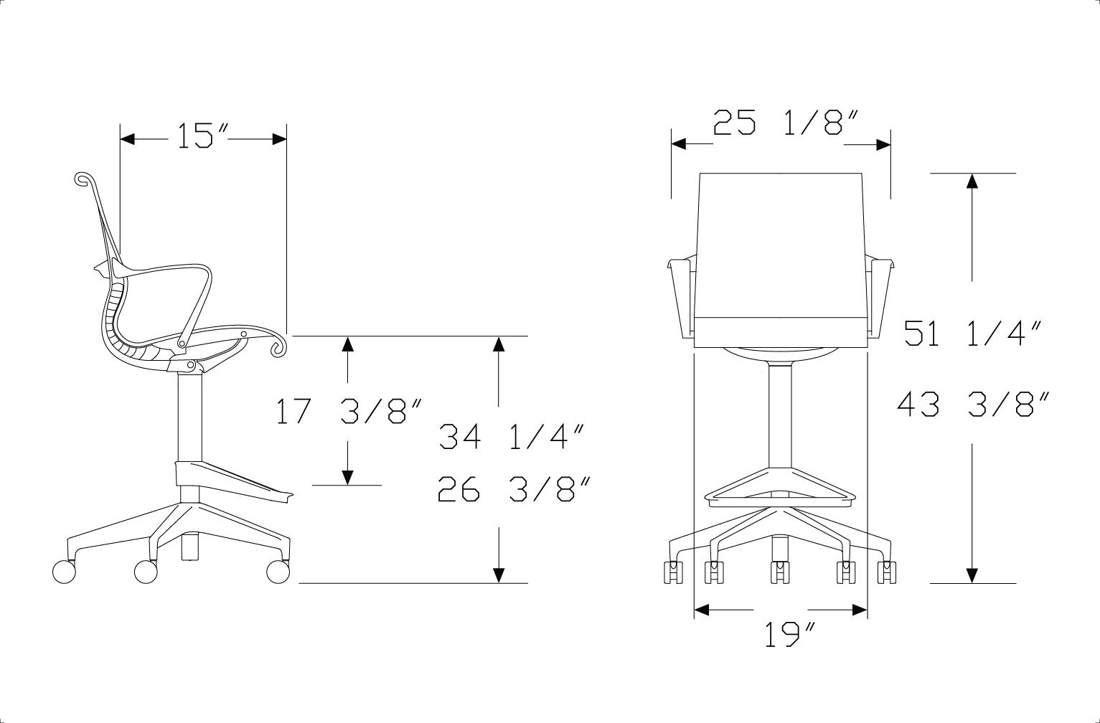
Dimensions
 | Step 7. Base Finish
 | L7 | silver alloy
 | G1 | graphite
 | 5Y | semi-polished

 | Step 8. Castors/Glides
 | HCC | 65mm low roll resistance, black yoke, hard floors or carpet
 | OC | 65mm medium roll resistance with quiet roll technology, black yoke, hard floors or carpet
 | C9 | 65mm braking castors, hard floor or carpet
 | X8 | glide, low profile, carpet or hard floors

 | Step 9. Intercept Suspension Material
 | See application chart and textiles list for material usage and numbers. First 2 digits of number indicate material; remaining 2 digits indicate color.

 | For intercept suspension seat and back (M)
 | Price Category 1
 | 84501 | suspension material graphite | $0
 | 84502 | suspension material carbon
 | 84503 | suspension material mineral
 | 84504 | suspension material nightfall
 | 84505 | suspension material glacier
 | 84506 | suspension material canyon
 | 84507 | suspension material cocoa

 | For suspended upholstery seat and back (F) Carry over existing fabric offer on current Setu (CQ7)
 | Band 1
 | 8T | Crossing

 | Band 2
 | 3SL | Sequel
 | 4SC | Scatter
 | 8R | Twist
 | ZM2 | Meld

 | Band 3
 | 3CY | Cozy

